Observations
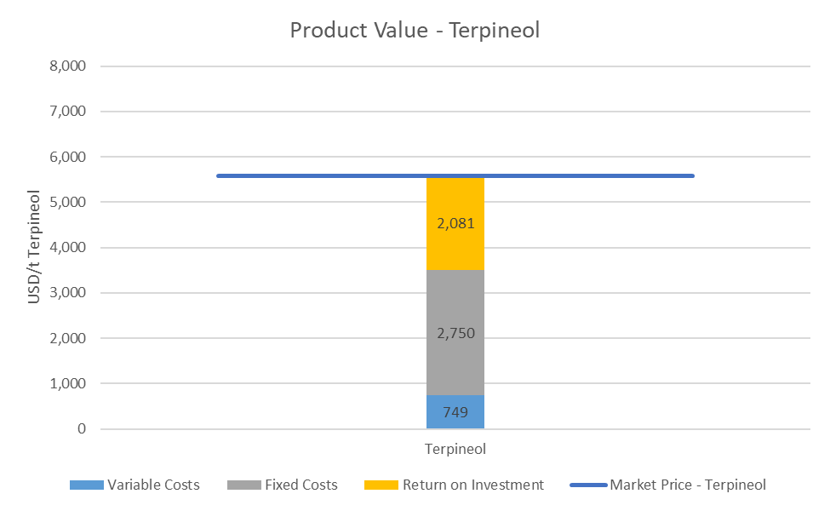
Main problems and suggestions
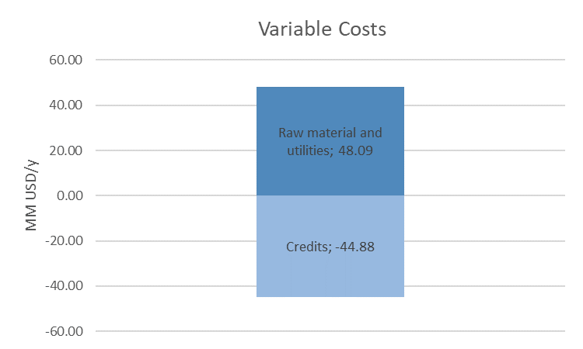 In the process sizing, the terpineol product value surpassed the market price by 57%, causing it to be economically unfeasible. 70% of the product value are represented by the variable costs, from which 95% comes from the cost of limonene as raw material. Aiming at reducing these costs to make the process feasible, the following strategies are suggested: - Productivity optimization: the productivity improvement represents an opportunity to lower the fermentation time (currently considered 72h) and therefore reducing the fermenters' volume. - Alternative fermentation technologies: Since the fermentation is considered to occur at the interface of the two phases (aqueous and organic), alternative fermentation techniques can be developed to reduce the requirement of equal solvent and water volumes, therefore reducing the needed fermenter volume in half. Membranes modules inside the fermenter or polymeric beads, for example, have the potential to be used as interfaces between the microorganism culture and the organic substrate. - Producing carvone along with terpineol: carvone has a higher aggregated value compared to terpineol and, with the assumption that is possible to produce carvone with the same performance parameters considered for terpineol, the production unit can manufacture both chemicals in order to turn terpineol production economically feasible. It is estimated that the production of 3600 t/year of carvone (considering its price at USD 12.5/kg) along with 4300 t/year of terpineol, representing a total limonene consumption of 7500 t/year, the terpineol product value becomes USD 5.58/kg. The carvone sell is considered as credit, which is deducted from the variable costs. The Figure below represents the variable costs broken down. Costs are in MM USD/y. The next figure represents the terpineol product value considering the carvone credit. Units are USD/t of terpineol.

Product Value
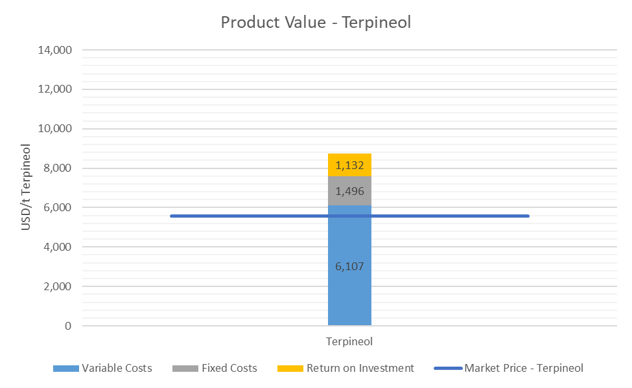
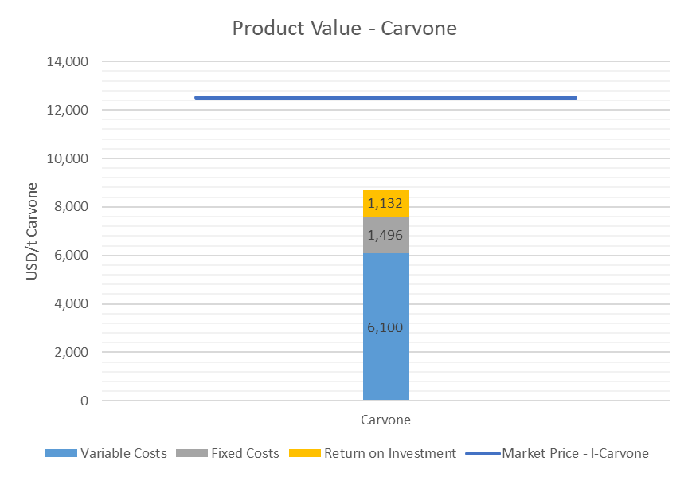

Sensitivity Analysis
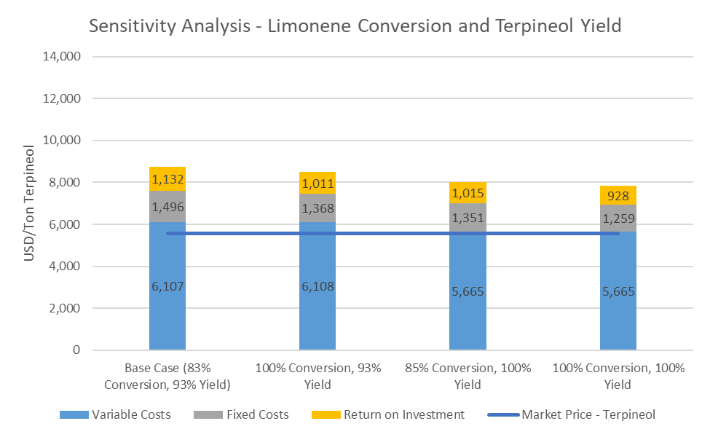
Product Value Estimate (USD/ton Terpineol)
Base Case (85% Conversion, 93% Yield) | 8,735
100% Conversion, 93% Yield | 8,487
85% Conversion, 100% Yield | 8,031
100% Conversion, 100% Yield | 7,852

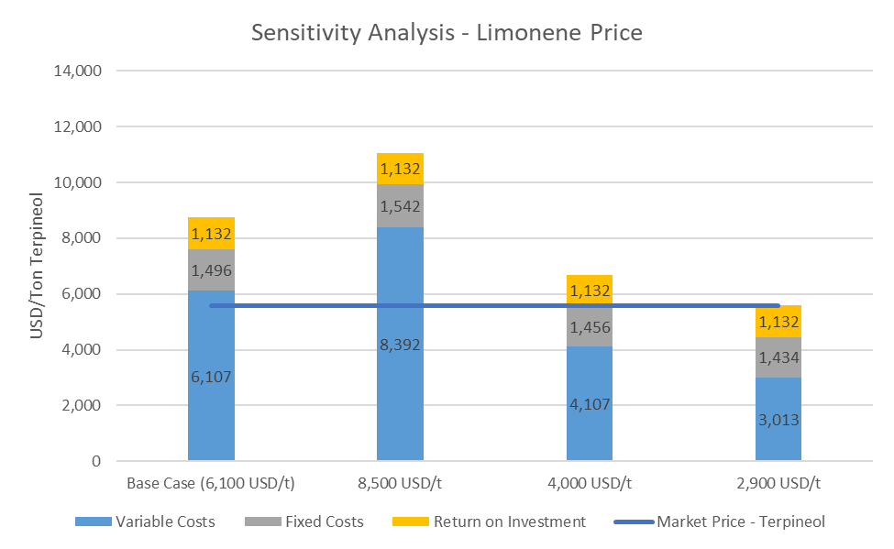
Product Value Estimate (USD/ton Terpineol)
Base Case (6,100 USD/t) | 8,735
8,500 USD/t | 11,066
4,000 USD/t | 6,695
2,900 USD/t | 5,580

PFD - Fermentation
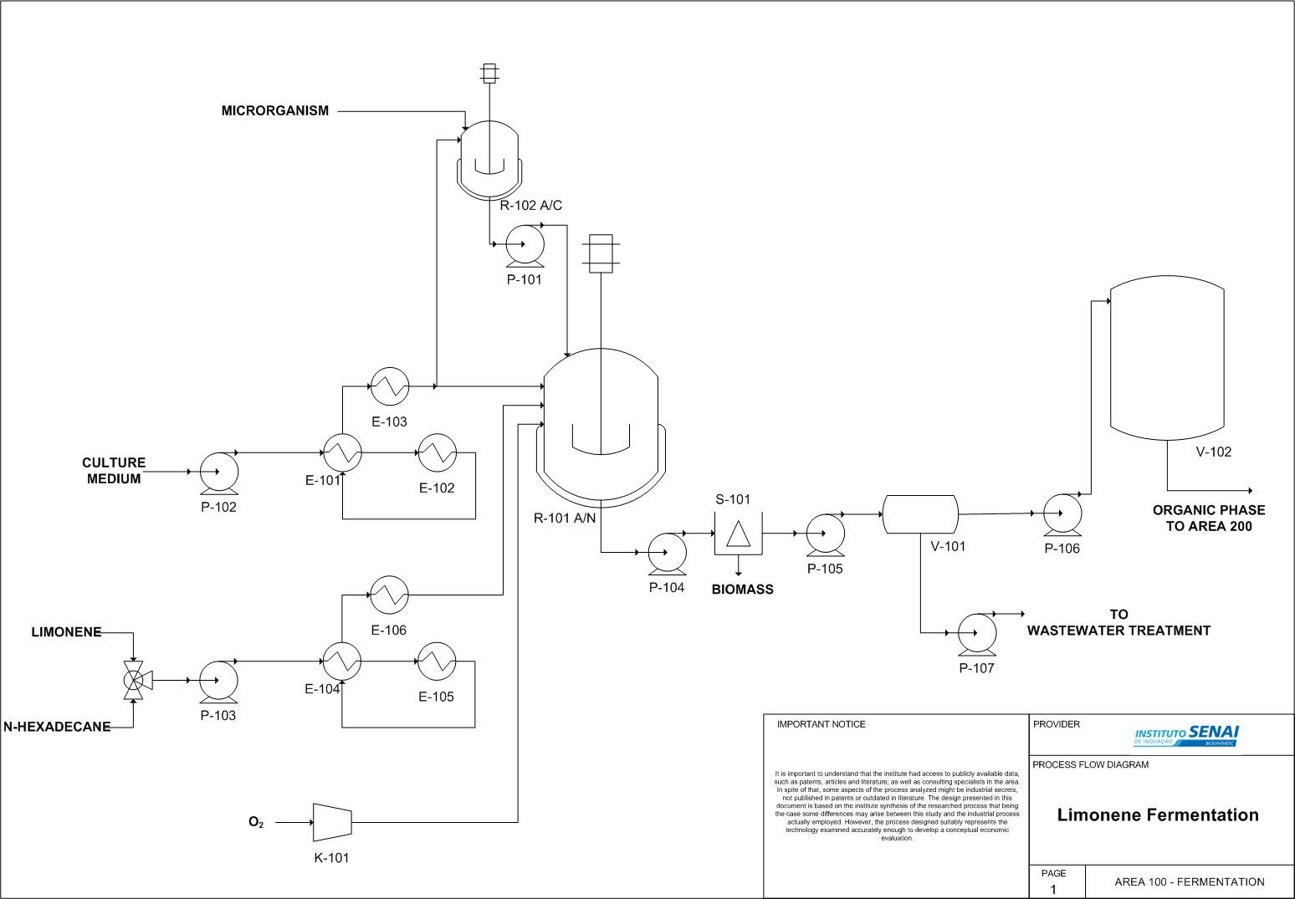

PFD - Downstream
